1. Title Page
[ InstaCart Data Analysis ]

Project Name: InstaCart Data Analysis
Date: 22.12.2024
Analyst Name: Zeeshan

Contents:
Population Flow
Consistency checks
Wrangling steps
Column derivations
Visualizations
Recommendations

Data Source
“The Instacart Online Grocery Shopping Dataset 2017”, Accessed from www.instacart.com/datasets/grocery-shopping-2017 via Kaggle on 9/4/2024.
“prices” column in the products data set, were both fabricated for the purpose of this course.

2. Population Flow
Population flow

Exclusion flag
Condition: max_order < 5
Obervations to be removed: 1,444,295
Final total count of order_products_all: 30,954,564

Orders_products_combined
Orders_products_merged
Orders_products_all

Total: 32,404,858
Total: 32,434,488
Total: 32,404,858

1.) The grey boxes in the first row of the population flow represent the original data sets as they were when you downloaded them. In the Total fields you need to add the count of the rows when you imported the data set into Jupyter.
2.) The second row of boxes (coloured) represents the data sets after you manipulated them, e.g., removed missing values and duplicates. In the Total fields you need to add the count of the rows after conducting these operations. This offers a visual oveview of how the data flows throughout the data consistency checks.
3.) The third row, where also the arrows are coloured, represents the merges you performed between the datasets. In the Total fields you need to add the count of the rows in the merged datasets, so that you end up with the final dataset (in the red box). Keep in mind the final dataset should be without exclusions (based on the exclusion flag).

3. Consistency checks
Consistency checks

Dataset | Missing values | Missing values treatment | Duplicates
orders | 206209 missing values in days_since_prior_order | This is logical, as there is no prior order for the first purchase of a user | None
products | 16 missing values in product_name | removed the missing values | 5 duplicates found in products data set, removed the duplicates to create a neater data set
orders_products_prior | None |  | None
customers | 11259 NaN values in 'first_name' | replaced the values with 'Unknown' | None

 | * found two outliers in prices column of products, replaced the outliers with the median value of the column

4. Wrangling steps
Wrangling steps

Columns dropped | Columns renamed | Columns' type changed | Comment/Reason
eval set |  |  | it was unnecessary for analysis
 | order_dow' : 'order_day_of_week' |  | changed it to "order_day_of_week" for better understanding
 |  | order_id | it doesn't make sense to make stats on the order number and user id so i have changed the data types to string as well
 |  | user_id
 |  | order_number

 | 'First Name': 'first_name' |  | to provide better readablility and understanding
 | 'Surnam': 'last_name',
 | 'Gender' : 'gender',
 | 'n_dependants' : 'number_of_dependants',
 | 'STATE': 'state',
 | 'Age' : 'age',
 | 'fam_status' : 'family_status'
_merged |  |  | it was just a flag column

5. Column derivations
Column derivations and aggregations

Dataset | New column | Column/s it was derived from | Conditions
ords_prods_merge | price_range_loc | prices | if prices > 15 then 'high range product', else if price is between 5 and 15 then mid-range product, else low-range product
ords_prods_merge | busiest_day | orders_day_of_week | if the day has highest orders then 'busiest day' , else if the day has lowest number of orders 'least busy', else 'regular busy day'
ords_prods_merge | busiest_days | orders_day_of_week | the top 2 days having the highest orders then 'busiest days' , else if 2 days having the lowest number of orders 'least busy dasy', else 'regular busy days'
ords_prods_merge | busiest_period_of_day | order_hour_of_day | a day devided into 3 segments, if hours having highest number of orders then 'Most order' else if hours having lowest number of orders then 'Fewest order', else 'Average orders'
ords_prods_merge | max_order | user_id and order_number | includes the maximum number of orders placed for a user_id
ords_prods_merge | loyalty_flag | max_order | flagging the customers loyal, regular and new customer according to the max_orders they placed at insta cart
ords_prods_merge
ords_prods_merge | average_order_price | user_id and prices | to store the avergae order price of order a user has placed
ords_prods_merge | spender_flag | average_order_price | if the avg order price by customer is lesser than 10 then the customer will be flagged as 'low spender' else if it is equal or greater than 10 then the customer will be flagged as 'High spender'
ords_prods_merge | customer_frequency | user_id and days_since_prior_order | to store the median days since prior order of user
ords_prods_merge | order_frequency_flag | customer_frequency | f the customer_frequency is higher than 20, then the customer should be labeled a “Non-frequent customer.” If the customer_frequency is higher than 10 and lower than or equal to 20, then “Regular customer.” If the customer_frequency is lower than or equal to 10, then “Frequent customer.”
ords_prods_merge | region | state | assigning regions as per which state belongs to which region
ords_prods_merge | customer_profile | age, income, department and number of dependents | 1. Single Adult : Age: 35 years or younger. Number of Dependents: 0. Preferred Departments: Snacks, beverages, frozen, deli. 2. Young Parent: Age: 35 years or younger. Number of Dependents: More than 0. Preferred Departments: Babies, snacks, breakfast, beverages. 3. Family-Oriented Shopper: Age: Older than 35 years. Number of Dependents: More than 1. Preferred Departments: Produce, dairy eggs, bakery, breakfast. 4. Health-Conscious Shopper: Preferred Departments: Produce, beverages, personal care. Shopping Days: Any day of the week (0 to 6). 5. Family Shopper: Age: Older than 30 years. Number of Dependents: More than 1. Preferred Departments: Produce, breakfast, dairy eggs, snacks. 6. Impulse Shopper: Preferred Departments: Snacks, beverages, frozen, deli. 7. Weekend Bulk Shopper: Preferred Departments: Bulk, pantry, canned goods, dry goods pasta. Shopping Days: Saturday or Sunday (Day 0 or 1). 8. Luxury Shopper: Income: Greater than $80,000. Preferred Departments: Alcohol, international, personal care, meat seafood. 9. Late-Night Shopper:Shopping Time: Between 10 PM and 6 AM.
 | activity_flag | max_order | if orders >= 5 then high activity customer if orders < 5 than low activity customer

customer_profile | frequency
Impulse Shopper | 8463872
Other | 8002392
Family Shopper | 5947819
Health-Conscious Shopper | 5606572
Weekend Bulk Shopper | 1334375
Luxury Shopper | 1007774
Family-Oriented Shopper | 401056
Young Parent | 200704

price_range_loc
Mid-range product | 21865987
Low-range product | 10126321
High-range product | 412551

busiest day
Regularly busy | 22416875
Busiest day | 6204182
Least busy | 3783802

busiest_days
Regularly busy days | 12916111
Busiest days | 11864412
Least busy days | 7624336

busiest_period_of_day
Most orders | 21118071
Average orders | 9997651
Fewest orders | 1289137

loyalty_flag
Regular customer | 15876776
Loyal customer | 10284093
New customer | 6243990

spender_flag
Low spender | 32285150
High spender | 119709

order_frequency_flag
Frequent customer | 21559853
Regular customer | 7208564
Non-frequent customerr | 3636437
NaN | 5

activity_flag
high-activity customer | 30964564
low-activity customer | 1440295

6. Visualizations
Visualisations

Bar chart representing number of orders on different week days


histogram of the “prices”



line chart showing relationship between days of week and prices
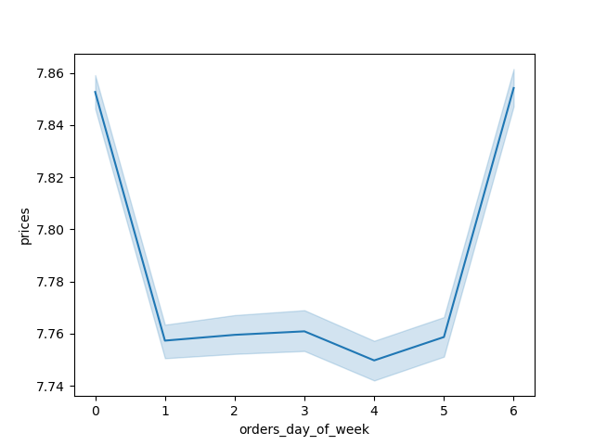

creating a histogram of order_hour_of_day


the histogram demonstrates that the busiest hours of the day are from 8 am to 4pm

The marketing team is curious about the distribution of orders among customers in terms of loyalty.
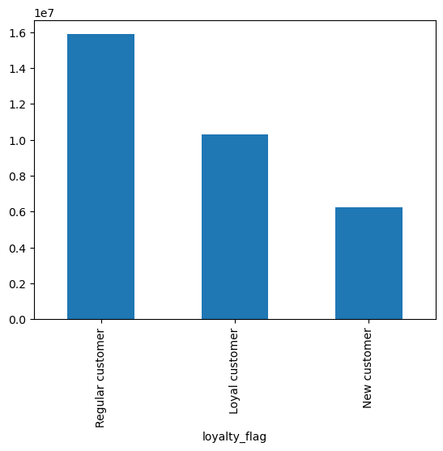

it shows that number of regular customers are more than that of loyal and new customers
Check whether there’s a difference in expenditure (the “prices” column) depending on the hour of the day.

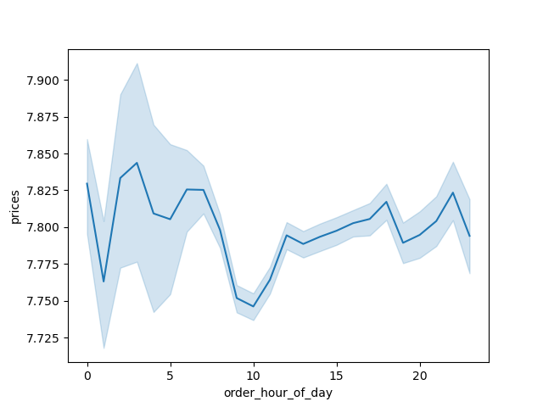

The line plot suggests variations in prices across different hours of the day.
There's a noticeable dip and rise, with fluctuations and confidence intervals indicating variability at different hours.

Connections between age and number of depentants


there is no noticeable correlation betweent the 2 variables

checking whether there’s a connection between age and spending power (income)


There appears to be a concentration of data points around lower income levels, particularly below 200,000.
As age increases, the variability in income widens, with some individuals earning much higher incomes in the 40–60 age range.

Creating a profiling variable based on age, income, certain goods in the “department_id” column, and number of dependents.

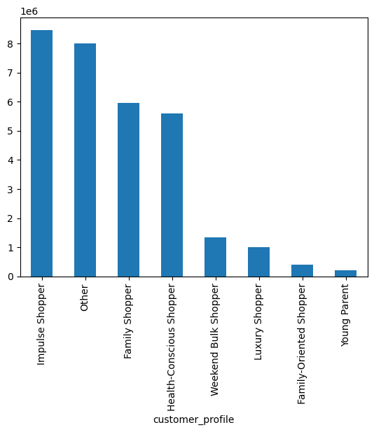

comparison between customer profiles and regions
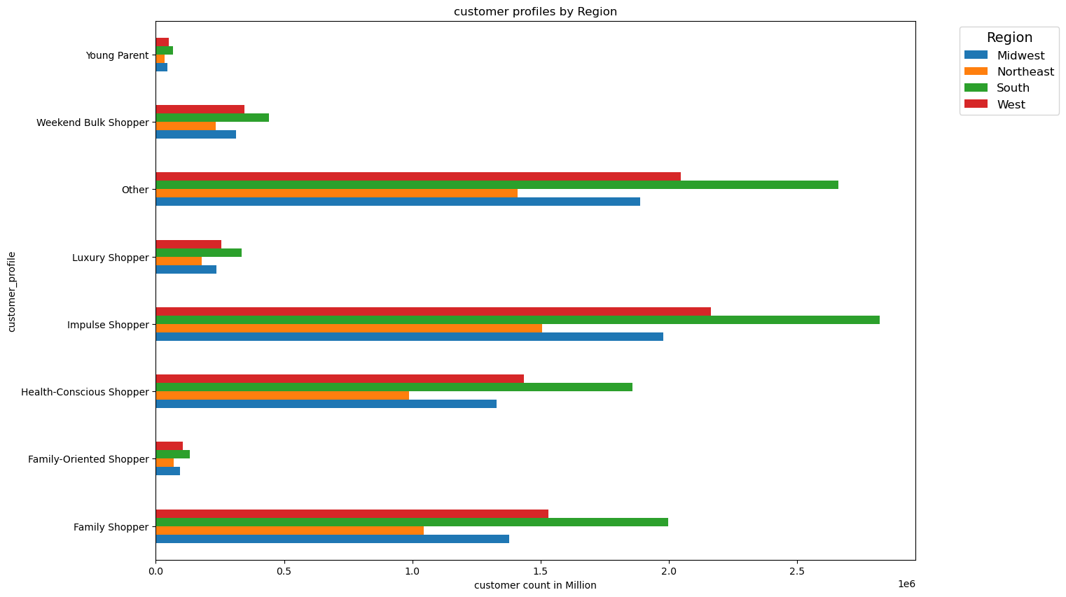

the chart above demonstrates link between customer profiles and region, like are the different customer profils are distributed in different regions of the country
comparison between customer profiles and departments
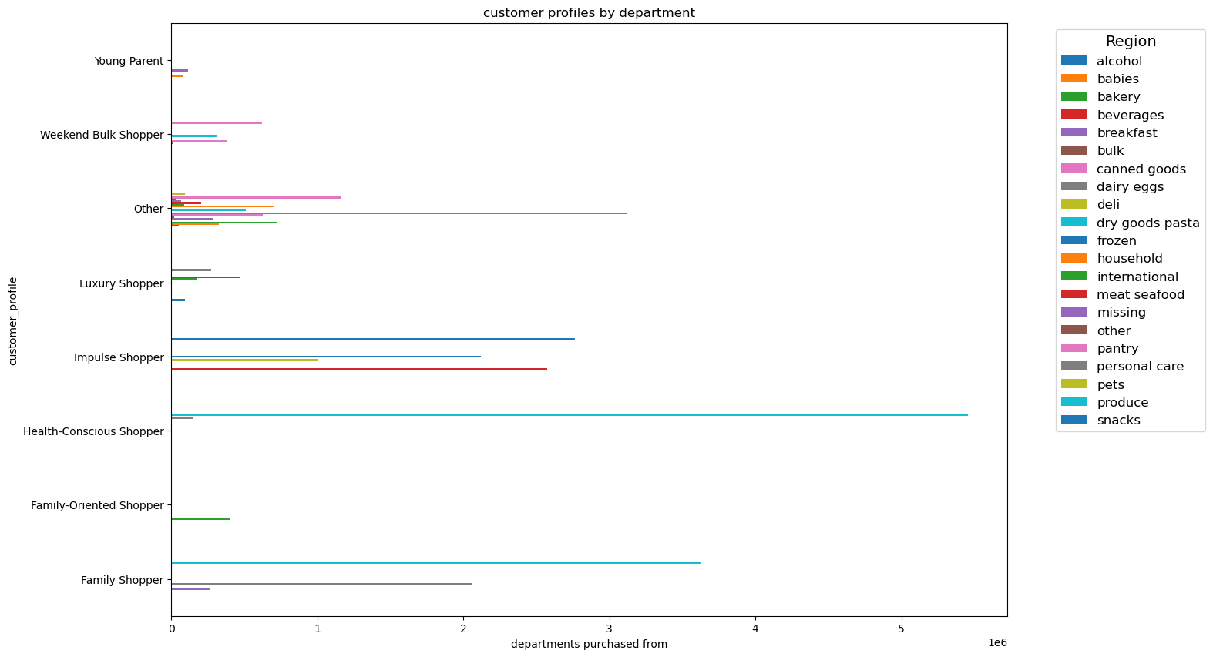

the char shows shopping behaviour of different customer_profiles, this can help target the relevant customer profiles with relevant adds
these relationships can be further used to make more better marketing stategies for different regions, for example what are the shopping patterns of a luxury shoppers, with which departments they mostly interct with

7. Recommendations
Recommendations

Questions | Answers | Recommendations
1. What are the busiest days of the week and hours of the day? | Saturday and Sunday are the busiest days of the week. Tuesday and Wednesday are the least busy days. Most orders are placed between 9 AM and 4 PM. | Since the middle of the week has lower sales, offer targeted sales and coupons on Tuesday and Wednesday to boost activity during these times.
2. Are there particular times of day when people spend the most money? | Sales are slightly higher in the morning and on weekends. However, the variations in spending are minimal, only around 10–20 cents. | Due to the negligible differences, no significant actions are required based on this observation.
Are there certain products that are more popular than others? | Produce, dairy/eggs, snacks, and beverages are the most popular products by department. | Offer coupons and promotions for popular items like produce and dairy to attract more customers. Additionally, provide discounts on less popular items, such as international, alcohol, and bulk goods, to drive sales in those categories.
Are there differences in ordering habits based on loyalty status? | Most customers are categorized as low spenders. | Consider whether to prioritize high spenders or frequent shoppers. Offering discounts on the total purchase amount could increase spending per order but may reduce order frequency.
Are there differences in ordering habits based on region | Customers in the South and West regions show the highest sales of produce, snacks, and dairy/eggs. | Focus advertising and promotional efforts on regions with fewer customers to increase engagement and sales.
What is the distribution among users as to how often they return to Instacart? Is there a connection between age, family status, and ordering habits? | Most customers are adults or middle-aged, married, and have dependents. Customers in the upper-income bracket are more likely to be over 40. | Develop family-oriented promotions, including discounts on "what’s for dinner" bundles, breakfast cereals, and packable lunches. For wealthier customers over 40, promote luxury products to increase their spending.
What differences can you find in the ordering habits of different customer profiles? | The primary demographic using Instacart consists of adult to middle-aged, middle-income parents. These larger households tend to consume more products. | Explore opportunities to attract additional demographics, such as seniors, who may face technological barriers. Focus on products that are popular among families to encourage frequent orders. Consider partnerships with stores to offer discounts or rewards (e.g., free items) for choosing Instacart over in-store shopping. Evaluate competition from other delivery services and identify ways to differentiate Instacart’s offerings.

